Newton's method
Newton's method
x_new = x_old - f(x_old)/f'(x_old)
Algorithm
* Guess x0.
* Evaluate f(x0)
* Evaluate f'(x0)
* Solve x1 = x0 - f(x0)/f'(x0)
* Repeat
Example
Solve: x^2 -3 = 0 for x.
f(x) = x^2 - 3
f'(x) = 2x

 |  |  |  |  | x | f(x)
 |  |  |  |  | -10 | 97
 |  |  |  |  | -9 | 78
 |  |  |  |  | -8 | 61
 |  |  |  |  | -7 | 46
 |  |  |  |  | -6 | 33
 |  |  |  |  | -5 | 22
 |  |  |  |  | -4 | 13
 |  |  |  | 1.7320508076 | -3 | 6
iteration | xn | f(xn) | f'(xn) |  | -2 | 1
1 | 1 | -2 | 2 |  | -1 | -2
2 | 2 | 1 | 4 |  | 0 | -3
3 | 1.75 | 0.0625 | 3.5 |  | 1 | -2
4 | 1.7321428571 | 0.00031887755102 | 3.4642857143 |  | 2 | 1
5 | 1.73205081 | 8.4726741179E-09 | 3.46410162 |  | 3 | 6
6 | 1.7320508076 | 0 | 3.4641016151 |  | 4 | 13
7 | 1.7320508076 | 0 | 3.4641016151 |  | 5 | 22
8 | 1.7320508076 | 0 | 3.4641016151 |  | 6 | 33
9 | 1.7320508076 | 0 | 3.4641016151 |  | 7 | 46
10 | 1.7320508076 | 0 | 3.4641016151 |  | 8 | 61
11 | 1.7320508076 | 0 | 3.4641016151 |  | 9 | 78
12 | 1.7320508076 | 0 | 3.4641016151 |  | 10 | 97
13 | 1.7320508076 | 0 | 3.4641016151
14 | 1.7320508076 | 0 | 3.4641016151
15 | 1.7320508076 | 0 | 3.4641016151
16 | 1.7320508076 | 0 | 3.4641016151
17 | 1.7320508076 | 0 | 3.4641016151
18 | 1.7320508076 | 0 | 3.4641016151
19 | 1.7320508076 | 0 | 3.4641016151
20 | 1.7320508076 | 0 | 3.4641016151

Solver
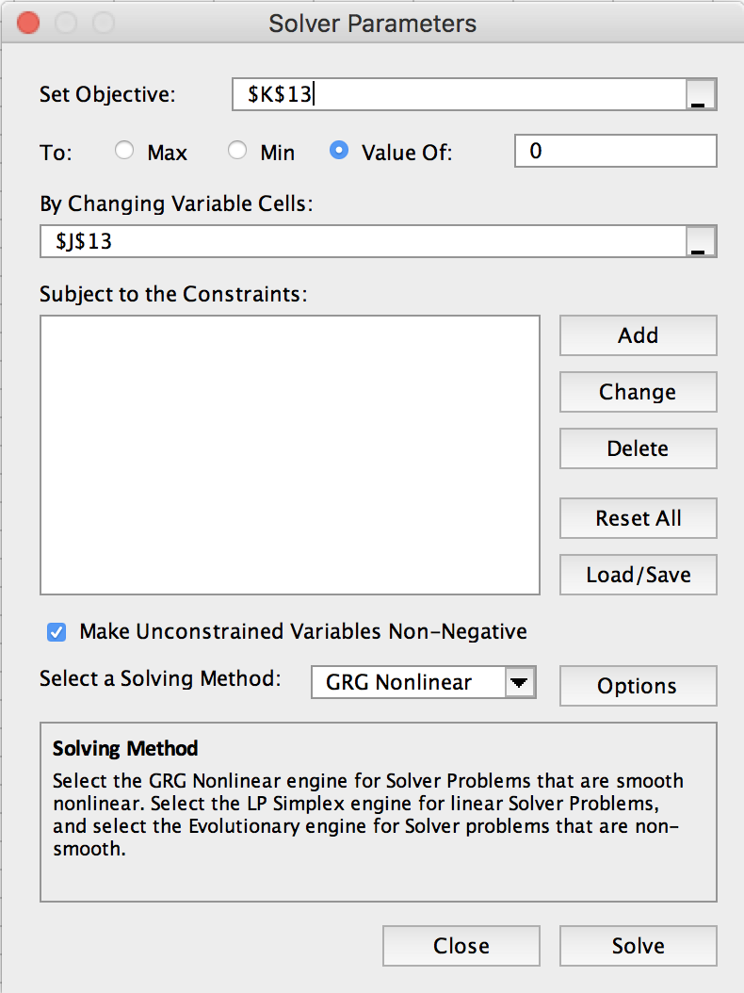
Find roots (solution) of this equation

Rearrange to the form f(x) = 0

 |  |  | x | f(x)
Plot the function |  |  | 7.49029220383343 | 0

 | x | f(x)
 | 0 | -9
 | 0.2 | -5.392
 | 0.4 | -2.536
 | 0.6 | -0.384
 | 0.8 | 1.112
 | 1 | 2
 | 1.2 | 2.328
 | 1.4 | 2.144
 | 1.6 | 1.496
 | 1.8 | 0.432
 | 2 | -1
 | 2.2 | -2.752
 | 2.4 | -4.776
 | 2.6 | -7.024
 | 2.8 | -9.448
 | 3 | -12
 | 3.2 | -14.632
 | 3.4 | -17.296
 | 3.6 | -19.944
 | 3.8 | -22.528
 | 4 | -25
 | 4.2 | -27.312
 | 4.4 | -29.416
 | 4.6 | -31.264
 | 4.8 | -32.808
 | 5 | -34
 | 5.2 | -34.792
 | 5.4 | -35.136
 | 5.6 | -34.984
 | 5.8 | -34.288
 | 6 | -33
 | 6.2 | -31.072
 | 6.4 | -28.456
 | 6.6 | -25.104
 | 6.8 | -20.968
 | 7 | -16
 | 7.2 | -10.152
 | 7.4 | -3.376
 | 7.6 | 4.376
 | 7.8 | 13.152

Solver-2
Find solution (x,y) that satisfy these 2 eqns |  |  |  | Rewrite this as f(x)=0, where f is a vector and x is a vector | Solve for x1, x2
 |  |  |  | Let x --> x1, and y --> x2
 |  |  |  |  | Method 1

 |  |  |  |  | Guess values for x1, x2
 |  |  |  |  |  | x1 | 0.618020444123030
 |  |  |  |  |  | x2 | 4.236016132135401
Plot the functions |  |  |  |  | Evaluate functions f1, f2
Equation 1 |  | Equation 2 |  |  |  | f1 | -5.5304122828E-06
x | y | x | y |  |  | f2 | 2.4756110659E-05
-3 | 2 | -3 | -3 |  | --> Solver
-2.5 | 0.75 | -2.5 | -2 |  | make f1=0 by varying x1, x2,
-2 | 0 | -2 | -1 |  | subject to constraint that f2=0
-1.5 | -0.25 | -1.5 | 0
-1 | 0 | -1 | 1
-0.5 | 0.75 | -0.5 | 2 |  | Method 2
0 | 2 | 0 | 3
0.5 | 3.75 | 0.5 | 4 |  | Square Error for f1, f2
1 | 6 | 1 | 5 |  |  | err1^2 | 3.0585460018E-11
1.5 | 8.75 | 1.5 | 6 |  |  | err2^2 | 6.1286501497E-10
2 | 12 | 2 | 7 |  |  | Sum | 6.4345047499E-10
2.5 | 15.75 | 2.5 | 8 |  | --> Solver
3 | 20 | 3 | 9 |  | make sum min, by varying x1, x2

Practice
Solve the following system of three equations in three unknowns:
x^2 + y^2 = 1
xy + yz = -1.1
y^2 + z^2 = 2
A reasonable guess for all variables is x=y=z=2.

x1 | 0.86413932021 | f(x) | -3.3007999778E-08
x2 | -0.50325262271 | g(x) | -2.9089232578E-08
x3 | 1.321641696 | h(x) | -2.5085278743E-08

